Cover
Making Urban Trees Count: A Project to Demonstrate the Role of Urban Trees in Achieving Regulatory Compliance for Clean Water
Center for Watershed Protection
December 2017
Copyright © 2017 Center for Watershed Protection, Inc.
Material may be quoted provided credit is given
This project was made possible through a National Urban and Community Forestry Advisory Council grant from the USDA Forest Service
USDA is an equal opportunity provider, employer, and lender
Suggested citation:
Center for Watershed Protection. 2017. Pollutant Load Reduction Credit Tool. Crediting Framework Product #4 for the project Making Urban Trees Count: A Project to Demonstrate the Role of Urban Trees in Achieving Regulatory Compliance for Clean Water. Center for Watershed Protection, Ellicott City, MD.

CREDITING FRAMEWORK PRODUCT #4: Pollutant Load Reduction Credit Tool

Instructions

Pollutant Load Reduction Credit Tool for Urban Tree Planting
Welcome to the Pollutant Load Reduction Credit Tool for urban tree planting. This credit was developed by the Center for Watershed Protection with funding from the U.S. Forest Service's National Urban and Community Forestry Advisory Council grant program.
Background
This national credit can be adopted by regulatory entities who wish to offer a scientifically defensible credit that encourages greater use of trees for meeting total maximum daily load (TMDL) requirements. The credit quantifies an annual reduction in nutrient and sediment loads relative to the pollutant loading rate of the underlying land cover (i.e., turf or impervious cover). The credit applies to trees planted in the urban environment, but generally does not apply to riparian buffers, large-scale reforestation projects or trees planted in engineered soils, such as bioretention or structural soils.
The Pollutant Load Reduction Credit was developed using a water balance model to estimate the mean annual runoff for a single tree at maturity planted over turf or impervious cover, compared to runoff for those same sites without trees. The model was run for the four hydrologic soil groups (HSG) for five tree types at 31 locations in 11 climate regions. The modeling results were used to calculate relative reductions of total nitrogen (TN), total phosphorus (TP) and total suspended sediment (TSS). Metrics derived from i-Tree Forecast were used to parameterize the model. Documentation of the model and process used to develop the credit is provided in Hynicka and Caraco (2017).
Instructions
The Climate Zone Map worksheet provides a map of the 11 climate zones in the water balance model used to develop the Pollutant Load Reduction Credit. Model results are presented in the form of lookup tables for each climate region. Use the Climate Zone Map to determine which climate zone you are located in and then go to the Lookup Tables worksheet.
On the Lookup Tables worksheet, select your climate zone to view the associated lookup tables. The lookup tables present the nitrogen, phosphorus and sediment load reductions per tree for the following tree types: 1) broadleaf deciduous large, 2) broadleaf deciduous medium, 3) broadleaf deciduous small, 4) coniferous evergreen large, 5) coniferous evergreen small and 6) unknown (default). Within each lookup table, values are provided for the load reductions associated with four soil types (as well as a default if soil type is unknown), two land covers and three pollutants. The lookup tables include both an optimal credit (for when qualifying conditions are met) but a reduced credit (70% of the optimal credit) can be calculated if desired. These can be incorporated as part of the TMDL crediting framework.
The Credit Calculator worksheet calculates the credit associated with planting a specified number of trees, based on user inputs. The calculator provides an example of how the credit works and can also be incorporated into the TMDL planning and crediting process. Users must input the number of trees planted, climate zone, tree type, land cover type, and soil type for their planting project, and must indicate whether qualifying conditions are met. An optional input is regional/local event mean concentrations for TN, TP and TSS (a national default is provided). The output of this worksheet is the estimated annual reduction in TN, TP and TSS (lbs/year) associated with the tree planting project. These results reflect the benefits provided by the tree at maturity.

For additional information and documentation see the following resources available at https://owl.cwp.org/
Center for Watershed Protection. 2017. Pollutant Load Reduction Credit. Crediting Framework Product #3 for the project Making Urban Trees Count: A Project to Demonstrate the Role of Urban Trees in Achieving Regulatory Compliance for Clean Water. Center for Watershed Protection, Ellicott City, MD.
Hynicka, J. and D. Caraco. 2017. Relative and Absolute Reductions in Annual Water Yield and Non-Point Source Pollutant Loads of Urban Trees. Crediting Framework Product #2 for the project Making Urban Trees Count: A Project to Demonstrate the Role of Urban Trees in Achieving Regulatory Compliance for Clean Water. Center for Watershed Protection, Ellicott City, MD.

Climate Zone Map
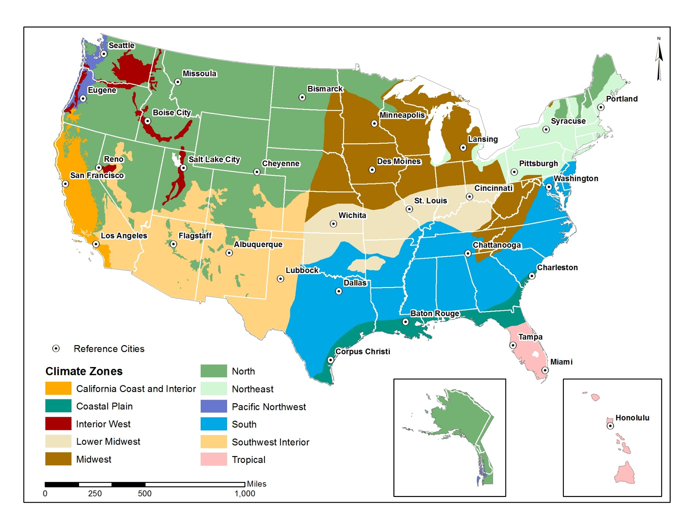

Lookup Tables
The lookup tables present the nitrogen, phosphorus and sediment load reductions per tree for 5 tree types plus a default tree if the type is unknown. For each tree type, the credit varies based on the soil type and land cover. If soil type is unknown, a default is provided. The vaules represent an optimal credit for when qualifying conditions are met (see the Credit Calculator worksheet for details). The values in these tables assume default pollutant concentrations (see the Credit Calculator Worksheet for values).
Select your climate zone from the dropdown menu below to view the lookup tables for your region.

Pacific_Northwest

Broadleaf Deciduous large (BDL) | Load Reduction (lb/year) |  |  | Coniferous Evergreen large (CEL) | Load Reduction (lb/year)
Soil Type/Land Cover | TN | TP | TSS | Soil Type/Land Cover | TN | TP | TSS
HSG-A, pervious | 0.00 | 0.00 | 0.10 | HSG-A, pervious | 0.0010 | 0.0002 | 0.09
HSG-B, pervious | 0.00 | 0.00 | 0.42 | HSG-B, pervious | 0.0043 | 0.0007 | 0.42
HSG-C, pervious | 0.01 | 0.00 | 0.81 | HSG-C, pervious | 0.0086 | 0.0015 | 0.83
HSG-D, pervious | 0.01 | 0.00 | 1.16 | HSG-D, pervious | 0.0123 | 0.0021 | 1.19
Unknown soil type, pervious | 0.01 | 0.00 | 0.81 | Unknown soil type, pervious | 0.0086 | 0.0015 | 0.83
Impervious cover | 0.01 | 0.00 | 0.85 | Impervious cover | 0.0145 | 0.0025 | 1.40

Broadleaf Deciduous medium (BDM) | Load Reduction (lb/year) |  |  | Coniferous Evergreen small (CES) | Load Reduction (lb/year)
Soil Type/Land Cover | TN | TP | TSS | Soil Type/Land Cover | TN | TP | TSS
HSG-A, pervious | 0.00 | 0.00 | 0.09 | HSG-A, pervious | 0.00 | 0.00 | 0.02
HSG-B, pervious | 0.00 | 0.00 | 0.41 | HSG-B, pervious | 0.00 | 0.00 | 0.09
HSG-C, pervious | 0.01 | 0.00 | 0.80 | HSG-C, pervious | 0.00 | 0.00 | 0.18
HSG-D, pervious | 0.01 | 0.00 | 1.15 | HSG-D, pervious | 0.00 | 0.00 | 0.26
Unknown soil type, pervious | 0.01 | 0.00 | 0.80 | Unknown soil type, pervious | 0.00 | 0.00 | 0.18
Impervious cover | 0.01 | 0.00 | 0.89 | Impervious cover | 0.00 | 0.00 | 0.25

Broadleaf Deciduous small (BDS) | Load Reduction (lb/year) |  |  | Unknown Tree Type | Load Reduction (lb/year)
Soil Type/Land Cover | TN | TP | TSS | Soil Type/Land Cover | TN | TP | TSS
HSG-A, pervious | 0.00 | 0.00 | 0.01 | HSG-A, pervious | 0.00 | 0.00 | 0.09
HSG-B, pervious | 0.00 | 0.00 | 0.03 | HSG-B, pervious | 0.00 | 0.00 | 0.41
HSG-C, pervious | 0.00 | 0.00 | 0.07 | HSG-C, pervious | 0.01 | 0.00 | 0.80
HSG-D, pervious | 0.00 | 0.00 | 0.10 | HSG-D, pervious | 0.01 | 0.00 | 1.15
Unknown soil type, pervious | 0.00 | 0.00 | 0.07 | Unknown soil type, pervious | 0.01 | 0.00 | 0.80
Impervious cover | 0.00 | 0.00 | 0.09 | Impervious cover | 0.01 | 0.00 | 0.89

Credit Calculator
The Credit Calculator calculates the credit associated with planting a specified number of trees, based on user inputs. The calculator provides an example of how the credit works and can also be incorporated into the TMDL planning and crediting process. Results reflect the annual pollutant reduction benefits provided by trees at maturity. Adopters of this credit framework may opt for a credit release schedule to incentivize tree care and ensure the tree reaches maturity.

STEP 1 | Select Climate Zone:
 | California_Coast_and_Interior

STEP 2 | Select Soil Type:
 | HSG D

STEP 3 | Select Land Cover: | Default TN Concentration (mg/L) | Default TP Concentration (mg/L) | Default TSS Concentration (mg/L)
 | Pervious | 1.45 | 0.25 | 140
 |  | User-Defined TN Concentration (mg/L) | User-Defined TP Concentration (mg/L) | User-Defined TSS Concentration (mg/L)
STEP 4 | Enter User-Defined Pollutant Concentrations (Optional) >>

STEP 5 | Have all the qualifying conditions listed below been met?
 | No
 | Qualifying conditions:
 | Maintenance plan is in place
 | Qualified professional (e.g., licensed arborist, urban forester) was consulted on selection of appropriate species, site preparation and siting to provide sufficient soil volume
 | Leaf litter pickup program is present for the planting site (required only when seeking credit for trees planted over impervious cover)

STEP 6 | Select Tree Type:
 | Broadleaf Deciduous medium (BDM)

STEP 7 | Enter Number of Trees Planted:
 | 100

 | RESULTS:
 | TN Reduction (lbs/yr) | TP Reduction (lbs/yr) | TSS Reduction (lbs/yr) | Runoff Reduction (gallons)
 | 0.39 | 0.0672 | 37.63 | 32,265.77

